Engine Disassy 170-5 (REV)
PT SAPTAINDRA SEJATI
PLANT REBUILD CENTER

DISASSEMBLY CHECK SHEET |  |  |  |  |  |  |  |  |  |  |  |  | JOB NUMBER |  |  |  |  |  |  |  |  |  |  |  | DOCUMENT NO.
 |  |  |  |  |  |  |  |  |  |  |  |  | ENGINE MODEL |  |  |  |  |  |  |  |  |  |  |  | PUBL. DATE |  | 09/08/2010
KOMATSU ENGINE 6D170E-5 |  |  |  |  |  |  |  |  |  |  |  |  | ENGINE SER. NO |  |  |  |  |  |  |  |  |  |  |  | REVISION NO. |  | 01
 |  |  |  |  |  |  |  |  |  |  |  |  | MACHINE MODEL |  |  |  |  |  |  |  |  |  |  |  | PAGE

PROCESS |  |  |  |  |  | START |  |  |  |  |  |  |  |  |  |  |  |  | DISASSEMBLY BY
 |  |  |  |  |  | FINISH

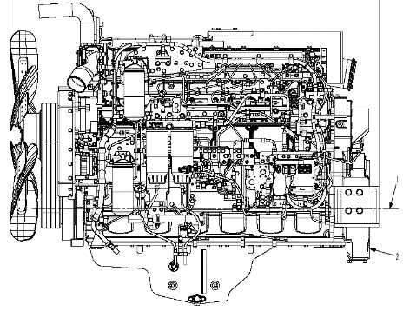
NO | PARTS TO REMOVE OR INSPECT |  | CONDITIONS TO BE INSPECTED |  |  |  |  |  |  |  |  |  |  |  |  |  | REUSE | SALVAGE | REPLACE | SKETCH DRAWING OR PHOTOES |  |  |  |  |  |  | REMARKS
1 | Engine ass'y |  | • | Setting engine to engine stand
 |  |  | • | Prepare to stable engine stand that will prevent
 |  |  |  | the engine from falling over, the set the engine
 |  |  |  | assembly on the stand and secure it in position.

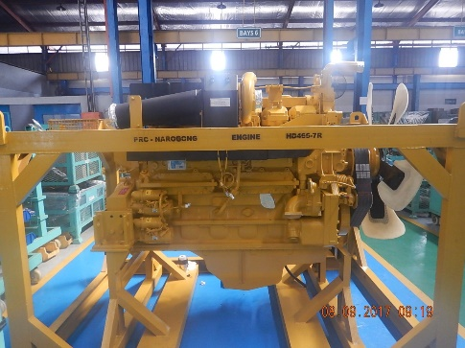
 |  |  | • | Drain engine oil from oil pan (the amount of oil
 |  |  |  | differs according to the machine model)

 |  |  | • | Rotate the crankshaft engine 720° for check engine
 |  |  |  | condition (jamed or not) |  |  |  |  |  |  | CHECK |  | YES
 |  |  |  |  |  |  |  |  |  |  |  |  | NO

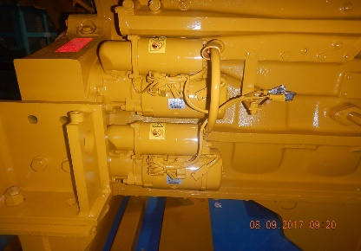
CHECK BY SUB ASSY 3
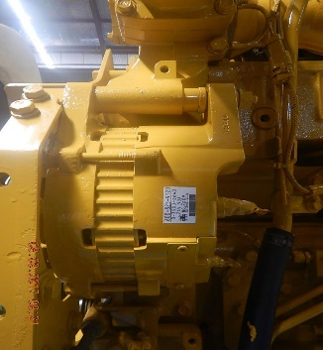
2 | Starter Motor |  | • | Please note if not fitted to engine.
 |  |  | • | Please note if not fitted to engine.
 | Alternator |  |  | Starting Motor AssyS/N, UPPER :
 |  |  |  |  |  |  |  |  | LOWER:
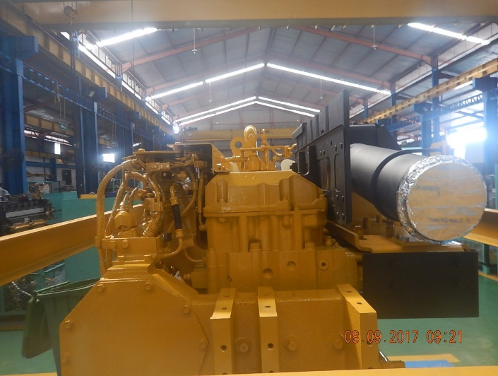
 |  |  |  | ALTERNATOR ASSY S/N:
CHECK BY SUB ASSY 1
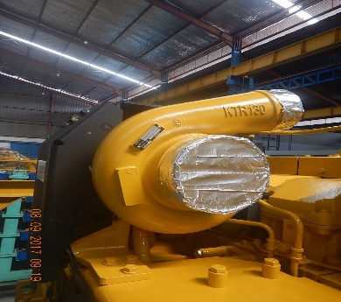
3 | Turbocharger |  | • | Remove Turbocharger, mounting bolts and
 |  |  |  | adapters.
 |  |  | • | Remove turbo oil line fittings. Check pipes
 |  |  |  | and connections.
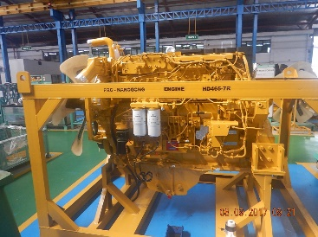
 |  |  |  | TURBOCHARGER ASSY S/N:
4 | Exhaust Manifold |  | • | Remove and inspect for cracks, |  |  |  |  |  |  |  |  |  | FRONT
 |  |  |  | pulled threads, snapped studs and |  |  |  |  |  |  |  |  |  | CENTRE
 |  |  |  | missing bolts. |  |  |  |  |  |  |  |  |  | REAR

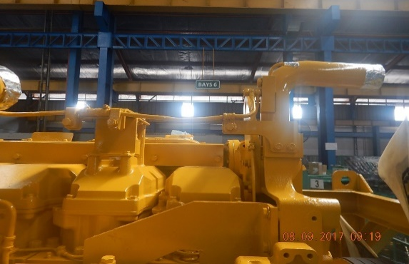
5 | Air Intake Conector |  | • | Remove air intake conector assembly and check
 |  |  |  | condition for cracked and damage.

CHECK BY SUB ASSY 1
6 | Water Pump |  | • | Remove tube and water pump assembly
 |  |  | • | Check for evidence of leakage.
 |  |  | • | Check for signs of wear and damage.
 | Thermostat |  | • | Remove Thermostat Assembly
CHECK BY SUB ASSY 2
7 | Oil Cooler |  | • | Check oil cooler housing for cracks and pulled
 |  |  |  | threads.
 |  |  | • | Check oil cooler for dents and leaks.

8 | Fuel Filter Ass'y |  | • | Remove tube and fuel filter assembly and
 |  |  |  | check pulled threads, cracks and damage

CHECK BY SUB ASSY 2
9 | Air Intake Manifold |  | • | Remove fuel inlet tube, timing rail tube,
 |  |  |  | fuel rail tube and check for cracks and
 |  |  |  | damage
 |  |  | • | Remove intake manifold assembly and check
 |  |  |  | condition for cracks and damaged
 |  |  | • | Check for pulled threads and missing bolts.
 |  |  | • | Remove aftercooler and check for damage,
 |  |  |  | water leaks, dust entry etc.
 |  |  | • | Check aftercooler water tubes for cracks,
 |  |  |  | corrosion and any other damage.

CHECK BY FIP
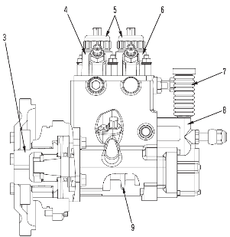
NO | PARTS TO REMOVE OR INSPECT |  | CONDITIONS TO BE INSPECTED |  |  |  |  |  |  |  |  |  |  |  |  |  | REUSE | SALVAGE | REPLACE | SKETCH DRAWING OR PHOTOES |  |  |  |  |  |  | REMARKS
10 | Fuel Pump Ass'y |  | • | Remove pump and mount, and inspect for
 |  |  |  | damage, missing parts and wear.
 |  |  | • | Remove Fuel Piping
 |  |  |  | Fuel Pump S/N:

 | ECM |  | • | Remove ECM
 |  |  |  | P/N ASSY :
 |  |  |  | S/N :
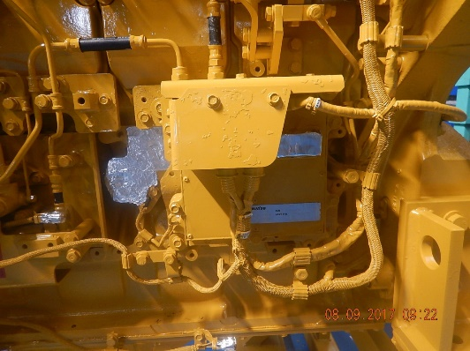
 |  |  |  | ESN :

11 | Oil Pan |  | • | Remove oil Filler tube and check for cracked
 |  |  |  | and damage
 |  |  | • | Remove and check oil pressure sensor
 |  |  | • | Remove pan and check for dents and cracks.
 |  |  | • | Remove and check drain plug for pulled threads
 |  |  | • | Remove brackets and then remove suction pipe
 |  |  | • | Check oil pick up pipe for cracks in the welds
 |  |  |  | and check screen for damage

12 | Head Cover |  | • | Check for cracks and damage to seal face.

CHECK BY SUB ASSY 1
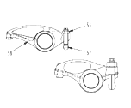
13 | Rocker Arm and |  | • | Remove rocker arms and shafts and check
 | Shaft |  |  | for wear and other damage.
 |  |  | • | Check the contact area on the crossheads are
 |  |  |  | from scuffing and wear.
 |  |  | • | Pull out the pushrods and check the pushrods
 |  |  |  | for bends and otherdamage.
 |  |  | • | Check adjusting screw for cracks, damage
 |  |  |  | and wear.
14 | Rocker Arm Housing |  | • | Remove rocker arm housing and check
 |  |  |  | condition for cracked, pulled threads wear
 |  |  |  | and damage.
 |  |  |  |  | Fit tags and keep in sets for each cylinder no.

CHECK BY F I P
15 | Injector Ass'y |  | • | Remove holder mounting bolts and Using
 |  |  |  | special tool to pull out of the injector assemblies
 |  |  | • | Check O-Ring contact area, Filter clogs and
 |  |  |  | damage

CHECK BY SUB ASSY 1
16 | Cylinder Head |  | • | Remove Cylinder head assembly and check
 |  |  |  | cylinder head bolts for pin punch marks. If there
 |  |  |  | are five marks, renew bolts.
 |  |  | • | Check the exhaust face condition and bolt
 |  |  |  | holes for pulled threads.
 |  |  | • | Check the head surface for water marks or
 |  |  |  | damage.
 |  |  | • | Doing Colour Check inspection joint with
 |  |  |  | QA Officer

CHECK BY SUB ASSY 1
NO | PARTS TO REMOVE OR INSPECT |  | CONDITIONS TO BE INSPECTED |  |  |  |  |  |  |  |  |  |  |  |  |  | REUSE | SALVAGE | REPLACE | SKETCH DRAWING OR PHOTOES |  |  |  |  |  |  | REMARKS
17 | Cam Followers |  | • | Inspect cam followers for damage to the
 |  |  | • | contact surface of the rollers.
 |  |  | • | Check condition of covers.

18 | Vibration Damper |  | • | Remove and check vibration damper for damage.
 | and Pulleys |  | • | Check pulleys for damage and wear.
 |  |  | • | Check belt tensioner for wear.
 |  |  | • | Check front trunnion mount.

19 | Flywheel |  | • | Remove Flywheel and check bolts and bolt holes.
 |  |  | • | Check pilot bearing hole.
 |  |  | • | Inspect ring gear for chipped and worn teeth.

20 | Under plate |  | • | Remove underplate and check dents or damage

21 | Flywheel Housing |  | • | Remove Flywheel housing and check Flywheel
 |  |  |  | housing for cracks, check bolt holes.

22 | Front Support and |  | • | Remove and inspect front support for damage
 | Front Cover
 |  |  | • | Check surface condition of seal running area
 |  |  |  | on front shaft.
CHECK BY MACHINING
23 | Front Gear Ass'y |  | • | Inspect and record condition of individual
 |  |  |  | gears. Check for chipped teeth, cracks,
 |  |  |  | excessive backlash and end play

 |  |  | • | Remove Gears

 |  |  | • | Check shafts and bearings for wear.

 |  |  | • | Measure thickness of thrust plates for wear.

CHECK BY SUB ASSY 1
24 | Oil Pump assembly |  | • | Remove Oil Pump Ass'y and check pump
 |  |  | • | O-rings at inlet and outlet ports and check pump
 |  |  |  | for wear and damage.

CHECK BY MACHINING
25 | Camshaft |  | • | Check end float of camshaft.
 |  |  | • | Pull out Camshaft and check camshaft journals
 |  |  |  | for wear.
 |  |  | • | Check cam surfaces for wear and other damage
 |  |  | • | Check camshaft for bends.

CHECK BY FIP
CHECK BY MACHINING
CHECK BY MACHINING
NO | PARTS TO REMOVE OR INSPECT |  | CONDITIONS TO BE INSPECTED |  |  |  |  |  |  |  |  |  |  |  |  |  | REUSE | SALVAGE | REPLACE | SKETCH DRAWING OR PHOTOES |  |  |  |  |  |  | REMARKS
26 | Rear Idler Gear |  | • | Check gears backlash and end play
 | Ass'y |  | • | Remove the idler gear assembly and check
 |  |  | • | Bushing and Shaft wear, Gear teeth chipping
CHECK BY SUB ASSY 1
 |  |  |  | and wear

CHECK BY SUB ASSY 2
CHECK BY SUB ASSY 1
CHECK BY SUB ASSY 3
27 | Piston Cooling |  | • | Check for bends, cracks and blockages.
 | Nozzles |  |  | grooves and skirts
 |  |  | Cyl. |  | 1 |  | 2 |  | 3 |  | 4 |  | 5 | 6
 |  |  | No.

CHECK BY MACHINING
 |  |  |  | Notes : |  |  | √ | Good
 |  |  |  |  |  |  | X | No Good
28 | Connecting Rods |  | • | Check con rod for cracks and damage.
 |  |  | • | Check big end bore for scratches or distortion.
 |  |  | • | Check for damage on mating face of cap.
 |  |  | • | Measured end play to connecting rod
 |  |  | Cyl. |  | 1 |  | 2 |  | 3 |  | 4 |  | 5 | 6 |  |  |  |  |  |  |  |  |  |  |  |  |  | Cyl. | 1 | 2 | 3 | 4 | 5 | 6
 |  |  | No. |  |  |  |  |  |  |  |  |  |  |  |  |  |  |  |  |  |  |  |  |  |  |  |  | No.

 |  |  | STD : 0.200 ~ 0.374
29 | Pistons |  | • | Measure wear on piston skirt, ring grooves and
 |  |  |  | pin bore
 |  |  | Cyl. |  | 1 |  | 2 |  | 3 |  | 4 |  | 5 | 6
 |  |  | No.

CHECK BY MACHINING
 |  |  |  | Notes : |  |  | √ | Good
 |  |  |  |  |  |  | X | No Good
30 | Crankshaft |  | • | Inspect main and pin journals for scratches, |  |  |  |  |  |  |  |  |  |  |  |  |  |  |  |  |  |  |  |  |  |  | MEASUREMENT RESULT
 |  |  |  | wear, cracks and discoloration. |  |  |  |  |  |  |  |  |  |  |  |  |  |  |  |  |  |  |  |  |  |  | 1.CRANKSHAFT ENDPLAY
 |  |  | • | Check that oil holes are not blocked. |  |  |  |  |  |  |  |  |  |  |  |  |  |  |  |  |  |  |  |  |  |  | ENDPLAY:............MM
 |  |  | • | Check fillet area for scratches. |  |  |  |  |  |  |  |  |  |  |  |  |  |  |  |  |  |  |  |  |  |  | 2.FACE RUN OUT
 |  |  | • | Determine wear by measuring Æ of journals. |  |  |  |  |  |  |  |  |  |  |  |  |  |  |  |  |  |  |  |  |  |  | FRONT R/OUT:..........MM
 |  |  | • | Check seal surface condition. |  |  |  |  |  |  |  |  |  |  |  |  |  |  |  |  |  |  |  |  |  |  | REAR R/OUT:.........MM
 |  |  | • | Punch Mark engine S/N rear surface of crankshaft |  |  |  |  |  |  |  |  |  |  |  |  |  |  |  |  |  |  |  |  |  |  | 3.RADIAL RUN OUT
 |  |  |  | (Marking on free area contact with flywheel) |  |  |  |  |  |  |  |  |  |  |  |  |  |  |  |  |  |  |  |  |  |  | FRONT RADIAL:........MM
 |  |  |  | CRANKSHAFT S/N: |  |  |  |  |  |  |  |  |  |  |  |  |  |  |  |  |  |  |  |  |  |  | REAR RADIAL:.........MM
31 | Main cap |  | • | Check cap bolts for number of punch marks.
 |  |  | • | Check cap fit to block.
 |  |  | • | Punch S/N engine at the front face of all main
 |  |  |  | bering cap match with S/N engine block
 |  |  | • | Doing Colour Check inspection joint with
 |  |  |  | QA Officer
 |  |  | • | Check trust metal kondition,cup and block must
 |  |  |  | Flat. For detail see picture beside
 |  |  | • | thrust metal seat on no.6 man cup for engine 170-3/-5

32 | Cylinder Liners |  | • | Check for pitting and cracks on the outer
 |  |  |  | circumference of the Cylinder liner
 |  |  | • | Inspect the inner surface for scoring and corrosion.
 |  |  | • | Check for pitting damage on seal grooves.
 |  |  | • | Measure inside Æ, roundness and cylindricity of
 |  |  |  | Cylinder liner
 |  |  | Cyl. |  | 1 |  | 2 |  | 3 |  | 4 |  | 5 | 6
 |  |  | No.

CHECK BY MACHINING
 |  |  |  | Notes : |  |  | √ | Good
 |  |  |  |  |  |  | X | No Good
33 | Cylinder Block |  | • | Check for cracks in the block, especially in the
 |  |  |  | bolt hole part of the cylinder head.
 |  |  | • | Inspect the lower liner seal area.
 |  |  | • | Check the blind plug surface for corrosion.
 |  |  | • | Check all threads.
 |  |  | • | Check mounting surface of cylinder head for
 |  |  |  | distortion and corrosion.
 |  |  | • | Check for clogging of oil and water holes.
 |  |  | • | Doing Colour Check inspection joint with
 |  |  |  | QA Officer

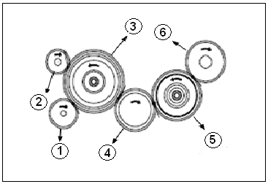
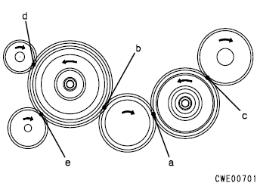
FRONT SIDE TIMING GEAR MEASUREMENT
Position |  | Backlash (mm) |  |  |  |  |  |  |  |  |  |  | Measured |  |  |  | Check
A |  | Crankshaft gear and Idle gear (Medium)
 |  | 0.114 ~ 0.320 (R/L: 0,5 )
B |  | Crankshaft gear and Idle gear (large)
 |  | 0.134 ~ 0.362 (R/L: )
C |  | Idle gear (Medium) and Fuel pump drive gear
 |  | 0.114 ~ 0.320 (R/L:0.5)
D |  | Idle gear (Large) and Water pump drive gear
 |  | 0.121 ~ 0.333 (R/L:0.5)
E |  | Idle gear (Large) and Oil pump drive gear
 |  | 0.121 ~ 0.333 (R/L:0.5)

No. |  | End play (mm) |  |  |  |  |  |  |  |  |  |  | Measured |  |  |  | Check
1 |  | Oil pump drive gear
 |  | 0.04 ~ 0.18 (C/L : 0.34)
2 |  | Water pump drive gear
 |  | 0.04 ~ 0.20 (C/L : 0.34)
3 |  | Idler gear
 |  | 0.04 ~ 0.17 (C/L : 0.30)
4 |  | Crankshaft gear
 |  | 0.04 ~ 0.17 (C/L : 0.30)
5 |  | Idle gear
 |  | 0.04 ~ 0.17 (C/L : 0.34)
6 |  | Alternator fuel pump drive gear
 |  | 0.04 ~ 0.17 (C/L : 0.34)
REAR SIDE TIMING GEAR MEASUREMENT
Position |  | Backlash (mm) |  |  |  |  |  |  |  |  |  |  | Measured |  |  |  | Check
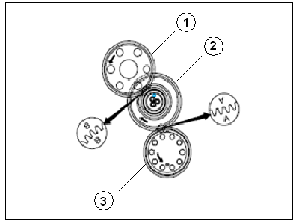
A |  | Crankshaft gear and Idle gear (large)
 |  | 0.155 ~ 0.412 (R/L: 0.6)
B |  | Crankshaft gear and Idle gear (Medium)
 |  | 0.145 ~ 0.380 (R/L: 0.6 )

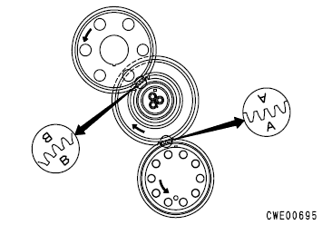
No. |  | End play (mm) |  |  |  |  |  |  |  |  |  |  | Measured |  |  |  | Check
1 |  | Camshaft drive gear
 |  | 0.05 ~ 0.20 (C/L : 0.30)
2 |  | Idle gear
 |  | 0.04 ~ 0.17 (C/L : 0.34)
3 |  | Crankshaft drive gear
 |  | 0.04 ~ 0.17 (C/L : 0.30)

REMARKS :

 | INSPECTION BY |  |  |  |  |  |  |  |  |  |  |  |  |  |  |  |  |  |  |  |  |  |  |  |  | APPROVAL BY

 | ( MECHANIC ) |  |  |  |  |  |  |  |  |  |  |  |  |  |  |  |  |  |  |  |  |  |  |  |  | PROD. SUPERVISOR (SPV)

 |  | ATTACHED
 |  | OUTSIDE DIAMETER OF CRANKSHAFT PIN JOURNAL AND MAIN JOURNAL

 |  | 6D95 Series |  |  |  |  |  |  |  |  |  |  |  |  |  |  |  |  |  |  |  | Unit : mm
 |  | Size |  |  |  |  | Main Journal |  |  |  |  |  |  |  |  | Pin Journal
 |  |  |  |  |  |  | Standard Size |  |  |  |  | Repair Limit |  |  |  | Standard Size |  |  |  |  | Repair Limit
 |  | Standard |  |  |  |  | 70.00 |  |  |  |  | 69.86 |  |  |  | 57.00 |  |  |  |  | 56.91
 |  | 0.25 US |  |  |  |  | 69.75 |  |  |  |  | 69.91 |  |  |  | 56.75 |  |  |  |  | 56.66
 |  | 0.50 US |  |  |  |  | 69.50 |  |  |  |  | 69.36 |  |  |  | 56.50 |  |  |  |  | 56.41
Diaphragm
 |  | 0.75 US |  |  |  |  | 69.25 |  |  |  |  | 69.11 |  |  |  | 56.25 |  |  |  |  | 56.16
 |  | 1.00 US |  |  |  |  | 69.00 |  |  |  |  | 68.86 |  |  |  | 56.00 |  |  |  |  | 55.91
 |  | Out of Roundness |  |  |  |  | 0 ~ 0.010 |  |  |  |  | 0.02 |  |  |  | 0 ~ 0.010 |  |  |  |  | 0.02
 |  | Tolerance : - 0.015

 |  | 6D125 Series |  |  |  |  |  |  |  |  |  |  |  |  |  |  |  |  |  |  |  | Unit : mm
 |  | Size |  |  |  |  | Main Journal |  |  |  |  |  |  |  |  | Pin Journal
 |  |  |  |  |  |  | Standard Size |  |  |  |  | Repair Limit |  |  |  | Standard Size |  |  |  |  | Repair Limit
 |  | Standard |  |  |  |  | 110.00 |  |  |  |  | 109.98 |  |  |  | 80.00 |  |  |  |  | 79.88
 |  | 0.25 US |  |  |  |  | 109.75 |  |  |  |  | 109.63 |  |  |  | 79.75 |  |  |  |  | 79.63
 |  | 0.50 US |  |  |  |  | 109.50 |  |  |  |  | 109.63 |  |  |  | 79.50 |  |  |  |  | 79.38
 |  | 0.75 US |  |  |  |  | 109.25 |  |  |  |  | 109.38 |  |  |  | 79.25 |  |  |  |  | 79.13
 |  | 1.00 US |  |  |  |  | 109.00 |  |  |  |  | 109.13 |  |  |  | 79.00 |  |  |  |  | 78.88
 |  | Out of Roundness |  |  |  |  | 0 ~ 0.010 |  |  |  |  | 0.02 |  |  |  | 0 ~ 0.010 |  |  |  |  | 0.02
 |  | Tolerance : - 0.015 ~ - 0.070

 |  | 6D170 Series
 |  | Size |  |  |  |  | Main Journal |  |  |  |  |  |  |  |  | Pin Journal
 |  |  |  |  |  |  | Standard Size |  |  |  |  | Repair Limit |  |  |  | Standard Size |  |  |  |  | Repair Limit
 |  | Standard |  |  |  |  | 140.00 |  |  |  |  | 139.91 |  |  |  | 108.00 |  |  |  |  | 107.91
 |  | 0.25 US |  |  |  |  | 139.75 |  |  |  |  | 139.66 |  |  |  | 107.75 |  |  |  |  | 107.66
 |  | 0.50 US |  |  |  |  | 139.50 |  |  |  |  | 139.41 |  |  |  | 107.50 |  |  |  |  | 107.41
 |  | 0.75 US |  |  |  |  | 139.25 |  |  |  |  | 139.16 |  |  |  | 107.25 |  |  |  |  | 107.16
 |  | 1.00 US |  |  |  |  | 139.00 |  |  |  |  | 139.91 |  |  |  | 107.00 |  |  |  |  | 106.91
 |  | Out of Roundness |  |  |  |  | 0 ~ 0.010 |  |  |  |  | 0.01 |  |  |  | 0 ~ 0.010 |  |  |  |  | 0.01
 |  | Tolerance : - 0.025

 |  | 6D140 Series |  |  |  |  |  |  |  |  |  |  |  |  |  |  |  |  |  |  |  | Unit : mm
 |  | Size |  |  |  |  | Main Journal |  |  |  |  |  |  |  |  | Pin Journal
 |  |  |  |  |  |  | Standard Size |  |  |  |  | Repair Limit |  |  |  | Standard Size |  |  |  |  | Repair Limit
 |  | Standard |  |  |  |  | 120.00 |  |  |  |  | 119.83 |  |  |  | 90.00 |  |  |  |  | 89.88
 |  | 0.25 US |  |  |  |  | 119.75 |  |  |  |  | 119.63 |  |  |  | 89.75 |  |  |  |  | 89.63
 |  | 0.50 US |  |  |  |  | 119.50 |  |  |  |  | 119.83 |  |  |  | 89.50 |  |  |  |  | 89.38
 |  | 0.75 US |  |  |  |  | 119.25 |  |  |  |  | 119.13 |  |  |  | 89.25 |  |  |  |  | 89.13
 |  | 1.00 US |  |  |  |  | 119.00 |  |  |  |  | 118.88 |  |  |  | 89.00 |  |  |  |  | 88.88
 |  | Out of Roundness |  |  |  |  | 0 ~ 0.010 |  |  |  |  | 0.02 |  |  |  | 0 ~ 0.010 |  |  |  |  | 0.02
 |  | Tolerance : - 0.020

 |  | 6D155 Series |  |  |  |  |  |  |  |  |  |  |  |  |  |  |  |  |  |  |  | Unit : mm
 |  | Size |  |  |  |  | Main Journal |  |  |  |  |  |  |  |  | Pin Journal
 |  |  |  |  |  |  | Standard Size |  |  |  |  | Repair Limit |  |  |  | Standard Size |  |  |  |  | Repair Limit
 |  | Standard |  |  |  |  | 125.00 |  |  |  |  | 124.70 |  |  |  | 102.00 |  |  |  |  | 101.75
 |  | 0.25 US |  |  |  |  | 124.75 |  |  |  |  | 124.45 |  |  |  | 101.75 |  |  |  |  | 101.50
 |  | 0.50 US |  |  |  |  | 124.50 |  |  |  |  | 124.20 |  |  |  | 101.50 |  |  |  |  | 101.25
 |  | 0.75 US |  |  |  |  | 124.25 |  |  |  |  | 123.95 |  |  |  | 101.25 |  |  |  |  | 101.00
 |  | 1.00 US |  |  |  |  | 124.00 |  |  |  |  | 123.70 |  |  |  | 101.00 |  |  |  |  | 100.75
 |  | Out of Roundness |  |  |  |  | 0.010 max |  |  |  |  | 0.02 |  |  |  | 0.010 max |  |  |  |  | 0.02
 |  | Tolerance |  | - 0.060 ~ (-0.080) (Main Journal)
 |  |  |  | - 0.050 ~ (-0.080) (Pin Journal)

 |  | 12V140 Series |  |  |  |  |  |  |  |  |  |  |  |  |  |  |  |  |  |  |  | Unit : mm
 |  | Size |  |  |  |  | Main Journal |  |  |  |  |  |  |  |  | Pin Journal
 |  |  |  |  |  |  | Standard Size |  |  |  |  | Repair Limit |  |  |  | Standard Size |  |  |  |  | Repair Limit
 |  | Standard |  |  |  |  | 148.00 |  |  |  |  | 147.98 |  |  |  | 100.00 |  |  |  |  | 99.88
 |  | 0.25 US |  |  |  |  | 147.75 |  |  |  |  | 147.73 |  |  |  | 99.75 |  |  |  |  | 99.63
 |  | 0.50 US |  |  |  |  | 147.50 |  |  |  |  | 147.48 |  |  |  | 99.50 |  |  |  |  | 99.38
 |  | 0.75 US |  |  |  |  | 147.25 |  |  |  |  | 147.23 |  |  |  | 99.25 |  |  |  |  | 99.13
 |  | 1.00 US |  |  |  |  | 147.00 |  |  |  |  | 146.98 |  |  |  | 99.00 |  |  |  |  | 98.88
 |  | Out of Roundness |  |  |  |  | 0 ~ 0.010 |  |  |  |  | 0.01 |  |  |  | 0 ~ 0.010 |  |  |  |  | 0.01
 |  | Tolerance : - 0.020

 |  | OUTSIDE DIAMETER OF CAMSHAFT JOURNAL AND CAM HEIGHT

 |  | 6D95 Series |  |  |  |  |  |  |  | Unit : mm |  |  |  |  | 6D140 Series |  |  |  |  |  |  |  |  |  |  | Unit : mm
 |  | Cam Height |  |  |  |  |  |  |  |  |  |  |  |  | Cam Height
 |  | Intake |  | 42.7 ± 0.1 |  |  |  | RL |  | 42.20 |  |  |  |  | Intake |  |  |  |  |  | 55.48 ± 0.1 |  |  | RL |  | 55.08
 |  | Exhaust |  | 43.4 ± 0.1 |  |  |  | RL |  | 42.90 |  |  |  |  | Exhaust |  |  |  |  |  | 55.75 ± 0.1 |  |  | RL |  | 55.35
 |  | OD Chamshaft Journal |  |  |  |  |  |  |  |  |  |  |  |  | OD Chamshaft Journal
 |  | STD |  |  |  | - 0.080 |  |  |  |  |  |  |  |  | STD |  |  |  |  |  |  |  | - 0.016
 |  |  |  | 50.50 |  | - 0.110 |  |  |  |  |  |  |  |  |  |  |  |  |  |  | 65 |  | - 0.036

 |  | 6D125 Series |  |  |  |  |  |  |  | Unit : mm |  |  |  |  | 6D155 Series |  |  |  |  |  |  |  |  |  |  | Unit : mm
 |  | Cam Height |  |  |  |  |  |  |  |  |  |  |  |  | Cam Height
 |  | Intake |  |  |  | + 0.395 |  | RL |  | 51.73 |  |  |  |  | Intake |  |  |  |  |  |  |  | + 0.355 | RL |  | 51.73
 |  |  |  | 52 |  | + 0.195 |  |  |  |  |  |  |  |  |  |  |  |  |  |  | 51 |  | + 0.345
 |  | Exhaust |  |  |  | + 0.395 |  | RL |  | 51.73 |  |  |  |  | Exhaust |  |  |  |  |  |  |  | + 0.355 | RL |  | 51.73
 |  |  |  | 52 |  | + 0.195 |  |  |  |  |  |  |  |  |  |  |  |  |  |  | 51 |  | + 0.345
 |  | OD Chamshaft Journal |  |  |  |  |  |  |  |  |  |  |  |  | OD Chamshaft Journal
 |  | STD |  |  |  | - 0.080 |  |  |  |  |  |  |  |  | STD |  |  |  |  |  |  |  | + 0.080
 |  |  |  | 60 |  | - 0.110 |  |  |  |  |  |  |  |  |  |  |  |  |  |  | 61 |  | + 0.110

 |  | 6D170 Series |  |  |  |  |  |  |  | Unit : mm |  |  |  |  | 12V140 Series |  |  |  |  |  |  |  |  |  |  | Unit : mm
 |  | Cam Height |  |  |  |  |  |  |  |  |  |  |  |  | Cam Height
 |  | Intake |  |  |  | + 0.4144 |  | RL |  | 61.37 |  |  |  |  | Intake |  |  |  |  |  | 55.48 ± 0.1 |  |  | RL |  | 55.08
 |  |  |  | 62 |  | + 0.2144 |  |  |  |  |  |  |  |  | Exhaust |  |  |  |  |  | 55.75 ± 0.1 |  |  | RL |  | 55.35
 |  | Exhaust |  |  |  | + 0.3215 |  | RL |  | 59.64 |  |  |  |  | OD Chamshaft Journal
 |  |  |  | 61 |  | + 0.5215 |  |  |  |  |  |  |  |  | STD |  |  |  |  |  |  |  | - 0.016
 |  | OD Chamshaft Journal |  |  |  |  |  |  |  |  |  |  |  |  |  |  |  |  |  |  | 65 |  | - 0.036
 |  | STD |  |  |  | - 0.080
 |  |  |  | 72 |  | - 0.110

